1. Title Page
Grocery Basket Analysis

Project Name: Project Brief: Instacart Grocery Basket Analysis
Date: 4/11/2023
Analyst Name: Apeji Ubaniomate

Contents:
Population Flow
Consistency checks
Wrangling steps
Column derivations
Visualizations
Recommendations

Citation:
“The Instacart Online Grocery Shopping Dataset 2017”, Accessed from www.instacart.com/datasets/grocery-shopping-2017 via Kaggle on .

2. Population Flow
Title page

Population flow

Exclusion flag
Condition: max_order <
Obervations to be removed:
Final total count of order_products_all:

Orders_products_combined
Orders_products_merged
Orders_products_all

Total: 32,434,212, 18
Total: 32,434,489, 11
Total: 32,434,212, 33

1.) The grey boxes in the first row of the population flow represent the original data sets as they were when you downloaded them. In the Total fields you need to add the count of the rows when you imported the data set into Jupyter.
2.) The second row of boxes (coloured) represents the data sets after you manipulated them, e.g., removed missing values and duplicates. In the Total fields you need to add the count of the rows after conducting these operations. This offers a visual oveview of how the data flows throughout the data consistency checks.
3.) The third row, where also the arrows are coloured, represents the merges you performed between the datasets. In the Total fields you need to add the count of the rows in the merged datasets, so that you end up with the final dataset (in the red box). Keep in mind the final dataset should be without exclusions (based on the exclusion flag).

3. Consistency checks
 |  |  |  | Title page
Consistency checks

Dataset | Missing values | Missing values treatment | Duplicates
orders | 206,209 missing values | None, as it is assumed the missing values is due to a large number of one-time customers as evident by the 'order_number' being 1 | No duplicates found
products | 16 missing values | Deleted all 16 missing values | 5 duplicates.
orders_products_prior | 206,209 missing values | No treatment. | No duplicates found
customers | 11,259 missing values in the 'first_name' column | No treatment. | No duplicates found

4. Wrangling steps
 |  |  |  | Title page
Wrangling steps

Columns dropped | Columns renamed | Columns' type changed | Comment/Reason
 |  | user_id | Not needed as a numeric variable
 | days_since_prior_order' to 'days_since_last_order' |  | Renamed to aide understanding
 | order_dow' to 'orders_day_of_week' |  | Renamed to aide understanding
 | First Name' to 'first_name' |  | Renamed to ensure consistency across all headers
 | Surnam' to 'surname' |  | Renamed t correct spelling and ensure consistency across all headers
 | Gender' to 'gender' |  | Renamed to ensure consistency across all headers
 | STATE' to 'state' |  | Renamed to ensure consistency across all headers
 | Age' to 'age' |  | Renamed to ensure consistency across all headers
 | fam_status' to 'marital_status' |  | Renamed to aide understanding
'Unnamed: 0' |  |  | Not needed
'Unnamed: 0.1' |  |  | Not needed
'_merge' |  |  | Not needed
first_name |  |  | PII data removed
last_name |  |  | PII date removed

5. Column derivations
 |  |  |  | Title page

Column derivations and aggregations

In this tab you should add tables below that the frequences of flags/label variables that you produced after deriving them. NB: don't do this for continuous variables, only for flags.
Dataset | New column | Column/s it was derived from | Conditions
orders_products_merged | price_range_loc | prices | df.loc[df['prices'] > 15, 'price_range_loc'] = 'High-range product'. df.loc[(df['prices'] <= 15) & (df['prices'] > 5), 'price_range_loc'] = 'Mid-range product'. df.loc[df['prices'] <= 5, 'price_range_loc'] = 'Low-range product'
orders_products_merged | busiest_day | orders_day_of_week | result = [] for value in ords_prods_merged["orders_day_of_week"]: if value == 0: result.append("Busiest day") elif value == 4: result.append("Least busy") else: result.append("Regularly busy")
orders_products_merged | busiest_days | orders_day_of_week | result_2 = [] for value in ords_prods_merged["orders_day_of_week"]: if value == 0 or value == 1: result_2.append("Busiest days") elif value == 4 or value == 3: result_2.append("Least busy days") else: result_2.append("Regularly busy days")
orders_products_merged | busiest_period_of_day | order_hour_of_day | hour_of_day = [] for value in ords_prods_merged["order_hour_of_day"]: if value in [10, 11, 14, 15, 13, 12, 16, 9]: hour_of_day.append("Most orders") elif value in [23, 6, 0, 1, 5, 2, 4, 3]: hour_of_day.append("Fewest orders") else: hour_of_day.append("Average orders")
orders_products_merged | max_order | user_id, order_number | ords_prods_merge['max_order'] = ords_prods_merge.groupby(['user_id'])['order_number'].transform(np.max)
orders_products_merged | loyalty_flag | max_order | ords_prods_merge.loc[ords_prods_merge['max_order'] > 40, 'loyalty_flag'] = 'Loyal customer'. ords_prods_merge.loc[(ords_prods_merge['max_order'] <= 40) & (ords_prods_merge['max_order'] > 10), 'loyalty_flag'] = 'Regular customer'. ords_prods_merge.loc[ords_prods_merge['max_order'] <= 10, 'loyalty_flag'] = 'New customer'
orders_products_merged | average_price | user_id, prices | ords_prods_merge['average_price'] = ords_prods_merge.groupby(['user_id'])['prices'].transform(np.mean)
orders_products_merged | spending_flag | average_price | ords_prods_merge.loc[ords_prods_merge['average_price'] < 10, 'spending_flag'] = 'Low spender'. ords_prods_merge.loc[ords_prods_merge['average_price'] >= 10, 'spending_flag'] = 'High spender'
orders_products_merged | median_orders | user_id, days_since_prior_order | ords_prods_merge['median_orders'] = ords_prods_merge.groupby(['user_id'])['days_since_prior_orde'].transform(np.median)
orders_products_merged | order_frequency_flag | median_orders | ords_prods_merge.loc[ords_prods_merge['median_orders'] > 20, 'order_frequency_flag'] = 'Non-frequent customer'. ords_prods_merge.loc[(ords_prods_merge['median_orders'] > 10) & (ords_prods_merge['median_orders'] <= 20), 'order_frequency_flag'] = 'Regular customer' . ords_prods_merge.loc[ords_prods_merge['median_orders'] <= 10, 'order_frequency_flag'] = 'Frequent customer'
df_merged | region | state | First create the regions the create the new columns as follows: df_merged.loc[df_merged['state'].isin(Northeast), 'region'] = 'Northeast'. df_merged.loc[df_merged['state'].isin(Midwest), 'region'] = 'Midwest'. df_merged.loc[df_merged['state'].isin(South), 'region'] = 'South'. df_merged.loc[df_merged['state'].isin(West), 'region'] = 'West'
dept_wrangled | department | department_id | departments assigned according to data dictionary.
active_customers | age_group | age | active_customers.loc[(active_customers['age'] >= 18) & (active_customers['age'] <= 29), 'age_group'] = '18-29 years old'. active_customers.loc[(active_customers['age'] >= 30) & (active_customers['age'] <= 49), 'age_group'] = '30-49 years old'. active_customers.loc[(active_customers['age'] >= 50) & (active_customers['age'] <= 59), 'age_group'] = '50-59 years old'. active_customers.loc[(active_customers['age'] >= 60) & (active_customers['age'] <= 81), 'age_group'] = '60-81 years old'
active_customers | income_group | income | active_customers.loc[active_customers['income'] <= 67292, 'income_group'] = 'Low Income'. active_customers.loc[(active_customers['income'] > 67292) & (active_customers['income'] < 128101), 'income_group'] = 'Middle Income'. active_customers.loc[active_customers['income'] > 128101, 'income_group'] = 'High Income'
orders_products_customer_merge_ | dependants_group | number_of_dependants | df_final.loc[df_final['number_of_dependants'] == 0, 'dependants_group'] = 'No dependants'. df_final.loc[df_final['number_of_dependants'] > 0, 'dependants_group'] = 'Has dependants'
df_final | family_profile | marital_status, number_of_dependants, gender | I used the .loc funtion. For example: df_final.loc[(df_final['marital_status'] == 'married') & (df_final['dependants_group'] == 'No dependants') & (df_final['gender'] == 'Female'), 'family_profile'] = 'married female, no children'.
df_final | week_days_orders | orders_day_of_week | df_final['week_days_orders'] = df_final['orders_day_of_week'].map({0: 'Saturday', 1: 'Sunday', 2: 'Monday', 3: 'Tuesday', 4: 'Wednesday', 5: 'Thursday', 6: 'Friday'})

6. Visualizations
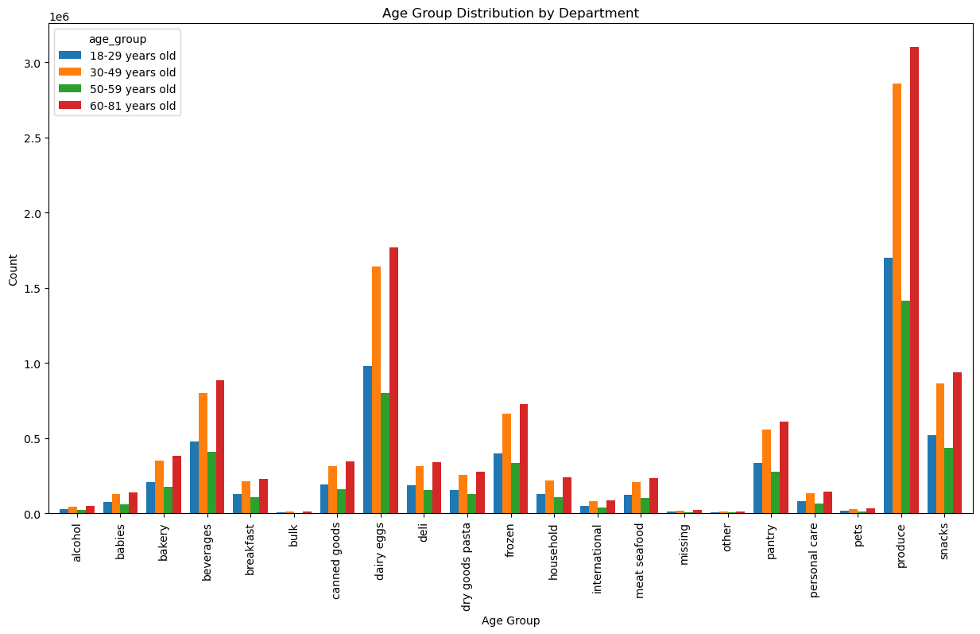
 |  |  |  | Title page

Visualisations

In this tab you should include all the visualtions from Exercises 4.9 and 4.10, alongside the questions from the project brief that they answer. Include any commentary on the relationship between different variables.
 |  |  | spending_flag | Midwest | Northeast | South | West
 |  |  | High spender | 156129 | 108343 | 210182 | 160807
 |  |  | Low spender | 7447681 | 5620004 | 10591428 | 8139638

1. The sales team needs to know what the busiest days of the week and hours of the day are (i.e., the days and times with the most orders) in order to schedule ads at times when there are fewer orders.

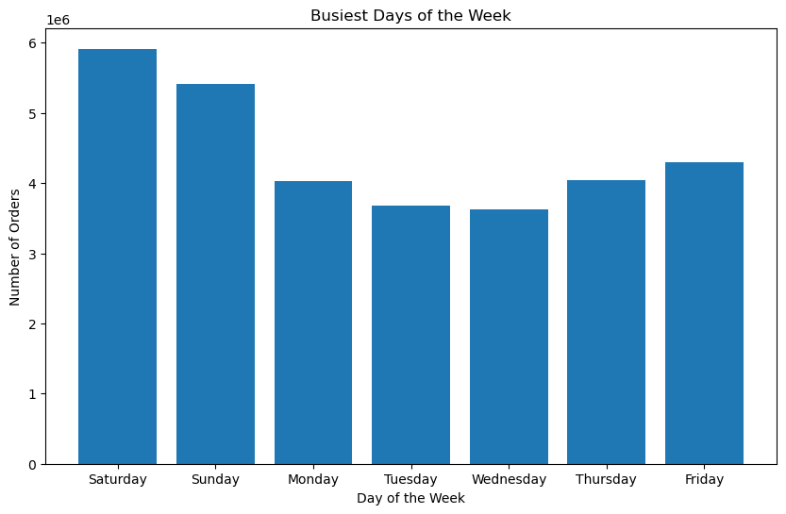

 | In terms of orders, the busiest days of the week seem to occur during the weekend (Friday, Saturday and Sunday), with orders taking a dip during the weekdays. Tuesday and Wednesday in particular see less traction for orders.

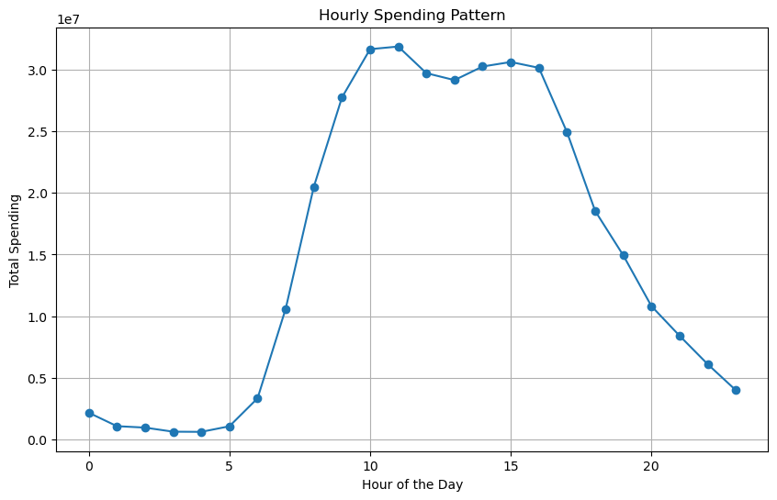
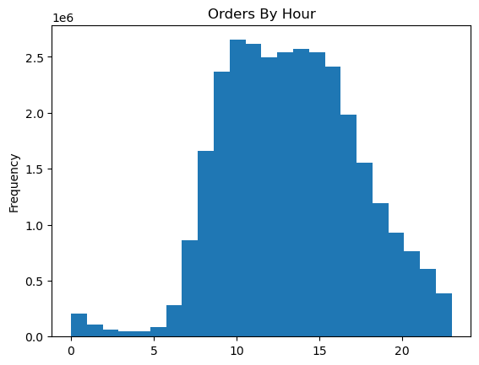

 | The histogram shoes that peak hours for orders are approximately between 9AM and 4PM. Orders see a steady decline after 4PM and bottom out between 1AM and 5AM. They then steadily pick back up after 6AM before returning to peak hours.

2. They also want to know whether there are particular times of the day when people spend the most money, as this might inform the type of products they advertise at these times

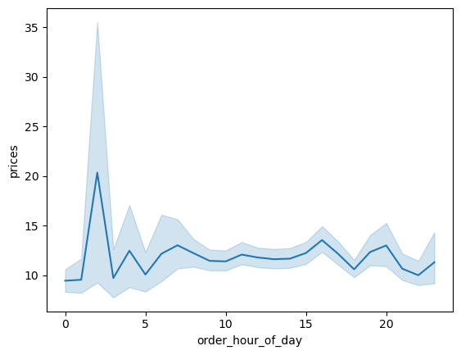
 | During the course of the day, spending peaks in the hours between 1 and 3AM. There are then minor fluctuations in spending throughout the day but overall spending is fairly steady.

3. Instacart has a lot of products with different price tags. Marketing and sales want to use simpler price range groupings to help direct their efforts

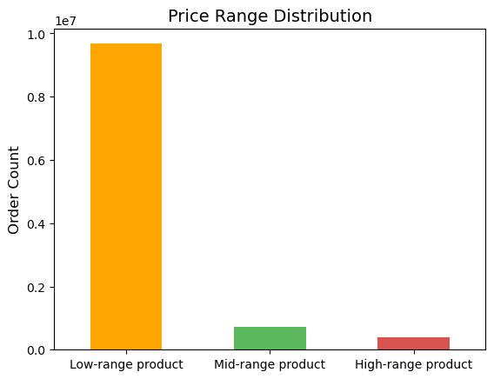
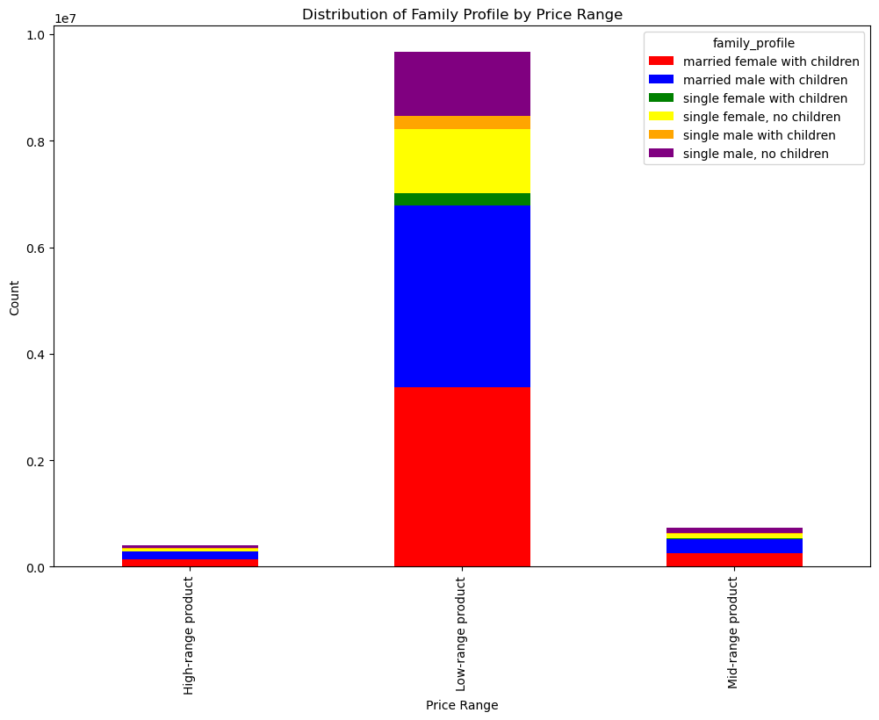

 | Instacarts products can be primarily divided into 3 main price ranges. Low-range, Mid-range and High-range products. Low-range products are the most popular in terms of sales.

 | Married males and females with children dominate the sales.

 | Middle income individuals dominate sales, especially with the low-range products which make up the majority of sales.

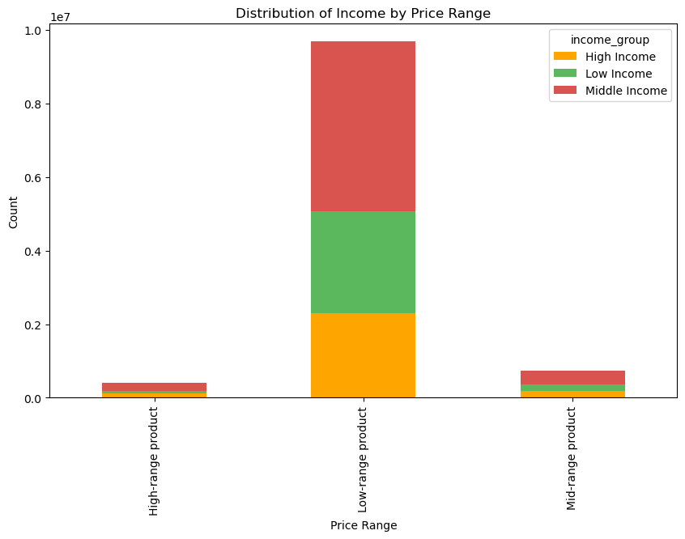
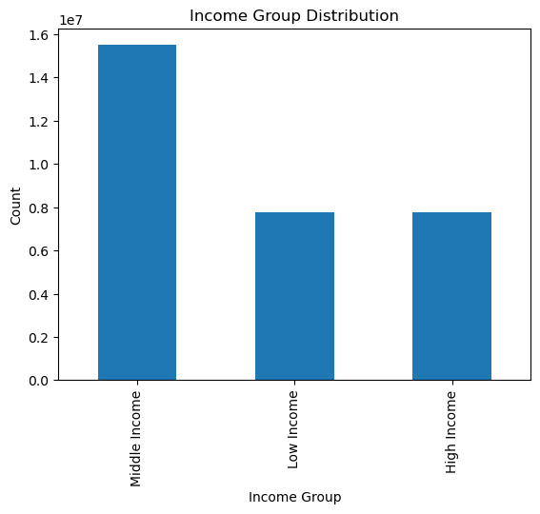
 | Income can be classified into three: low income, middle income and high income. Middle income individuals make up a majority of instacarts sales.

4. Are there certain types of products that are more popular than others? The marketing and sales teams want to know which departments have the highest frequency of product orders.

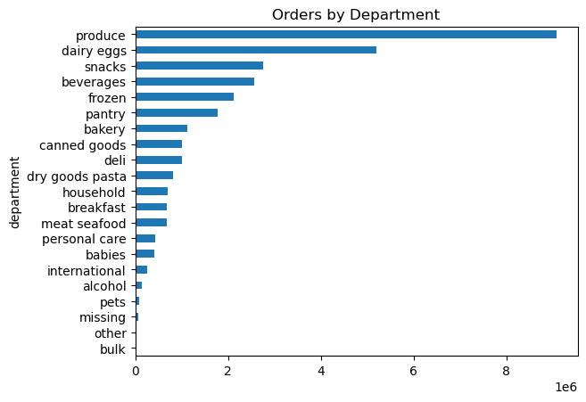
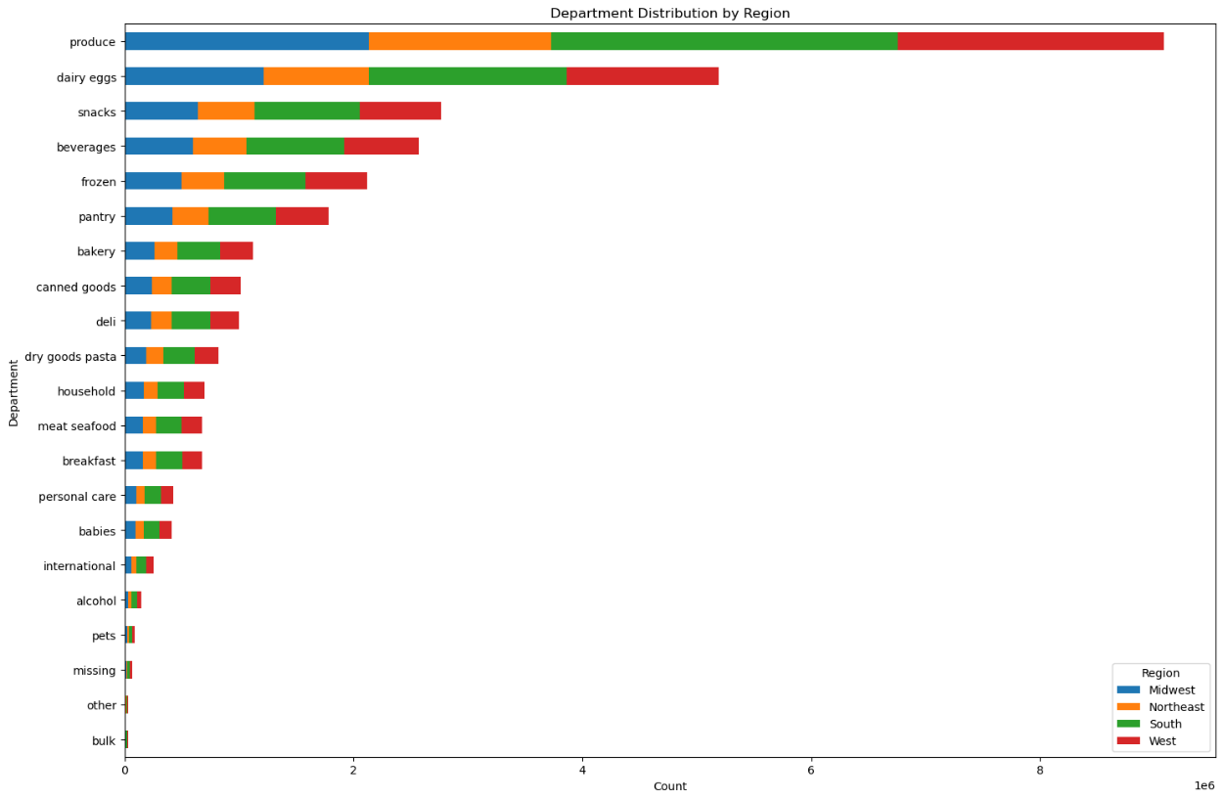

 | Produce eggs and snacks are the most popular products, seeing a higher order frequency than the rest with produce doing especially well. On the other hand, the bulk goods department as well as the other miscellaneous goods department are the least popular with consumers.

5. What’s the distribution among users in regards to their brand loyalty (i.e., how often do they return to Instacart)?

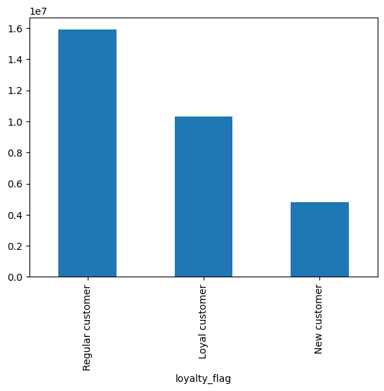
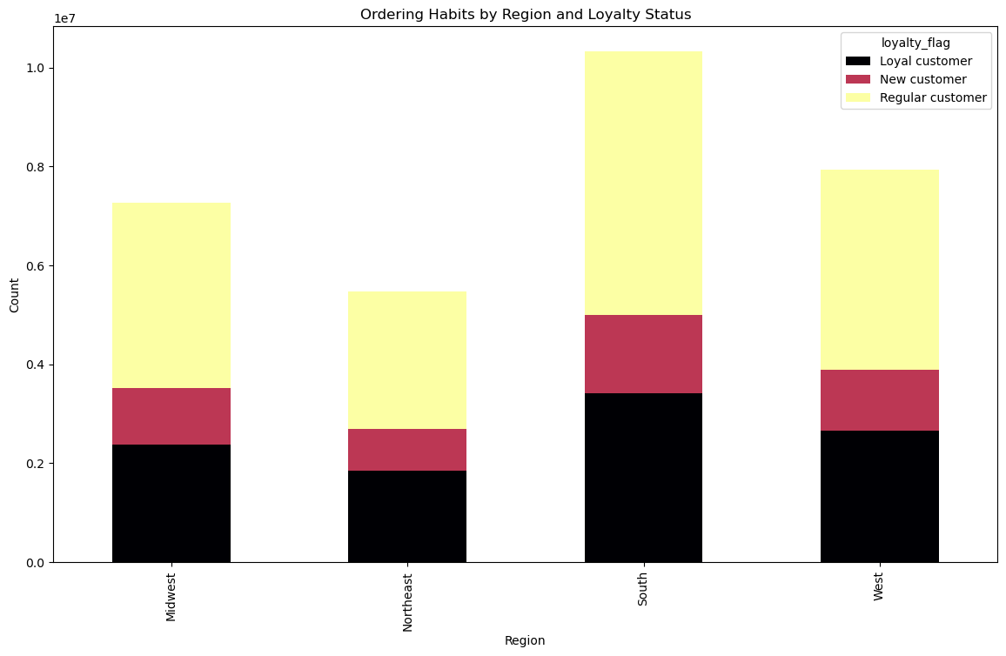

 | In terms of brand loyalty in instacart users, regular customers take up the majority of instacart orders. Loyal customers take up a decent percetage as a whole but trail regular customers, with new customers bringing in the rear.

 | In terms of region, brand loyalty in the south is the strongest and is also led by regular customers.

6. Are there differences in ordering habits based on a customer’s loyalty status?
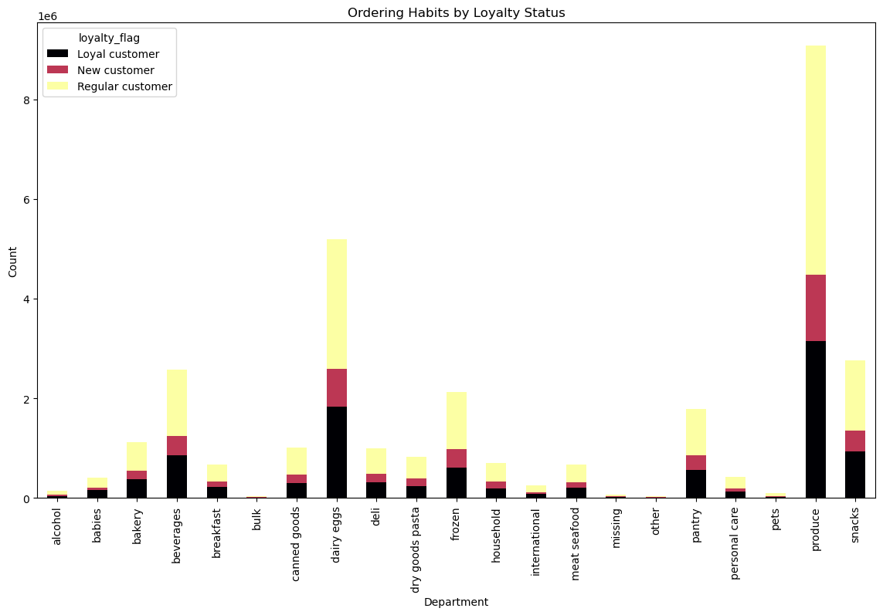

 | The graph shows the distribution of customers across instacarts various departments. The results are consistent with the general conscientious on brand loyalty as a whole.

7. Are there differences in ordering habits based on a customer’s region?

 | The south region sees the highest number of orders but there is no difference in ordering habits as regular customers still dominate while loyal customers fall behind.

8. Is there a connection between age and family status in terms of ordering habits?

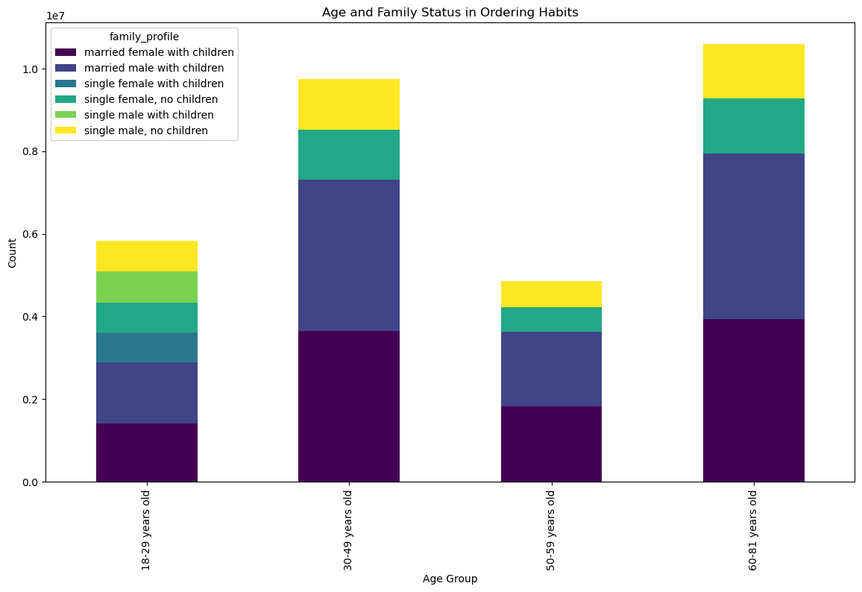
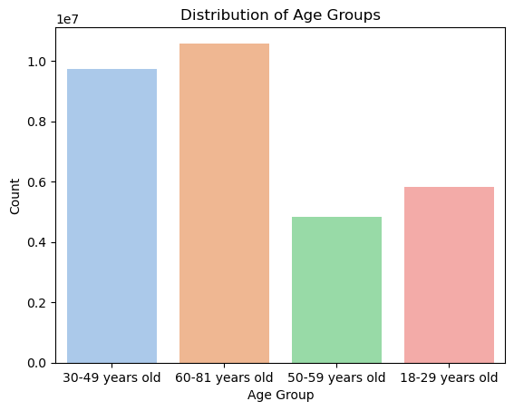

 | Married males and females with children dominate instacarts order count. Age does seem to play a part in brand loyalty as prime working individuals and retirees also spend more on instacart. We can deduce that this is as a result of perhaps having more disposable income.

9. What different classifications does the demographic information suggest? Age? Income? Certain types of goods? Family status?

 | The demographic information suggests that even though the majority seem to earn within 200,000, there is a jump in the income of individuals aged above 40. There are more people aged 40+ that earn above 200,000 with some individuals able to earn an income above 400,000. No one below 40 managed to earn above 400,000. As such we can determine that there is a slightly positive correlation between age and income. | 

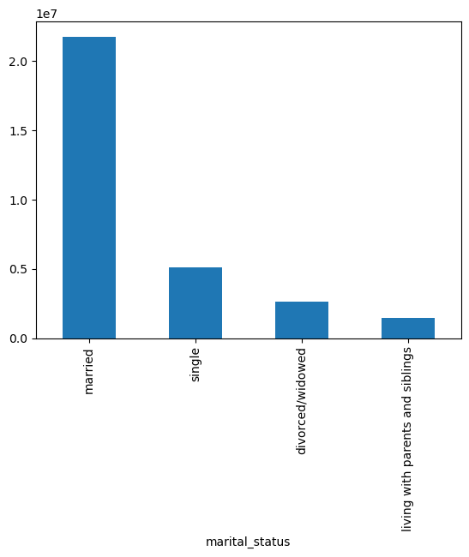
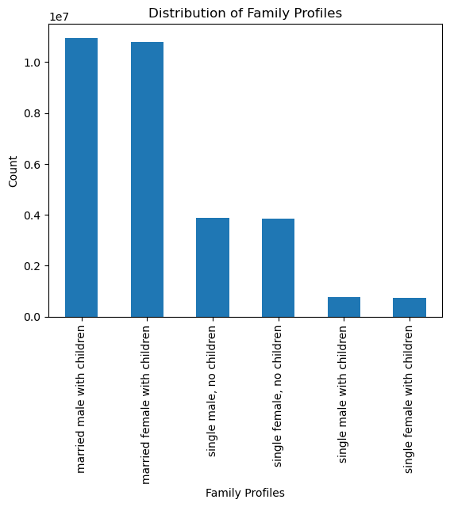

10. What differences can you find in ordering habits of different customer profiles? Consider the price of orders, the frequency of orders, the products customers are ordering, and anything else you can think of.

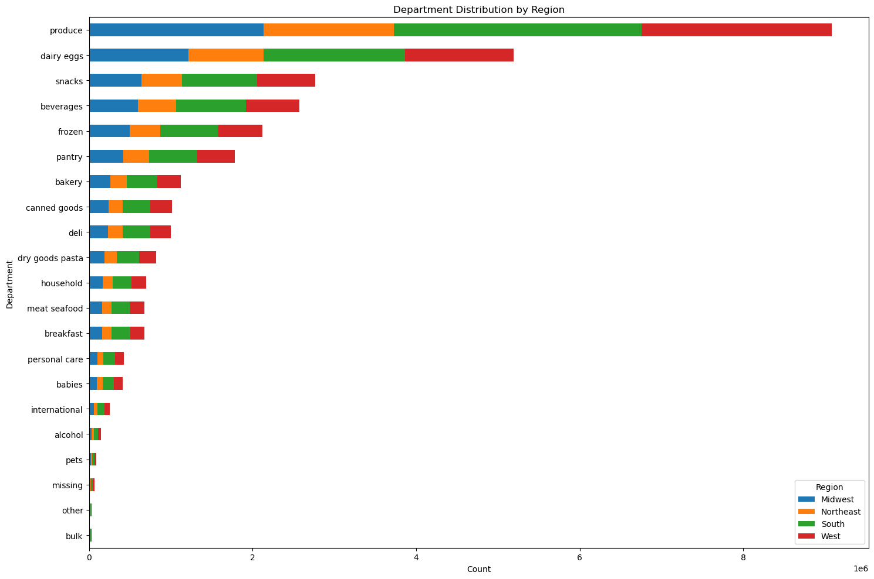
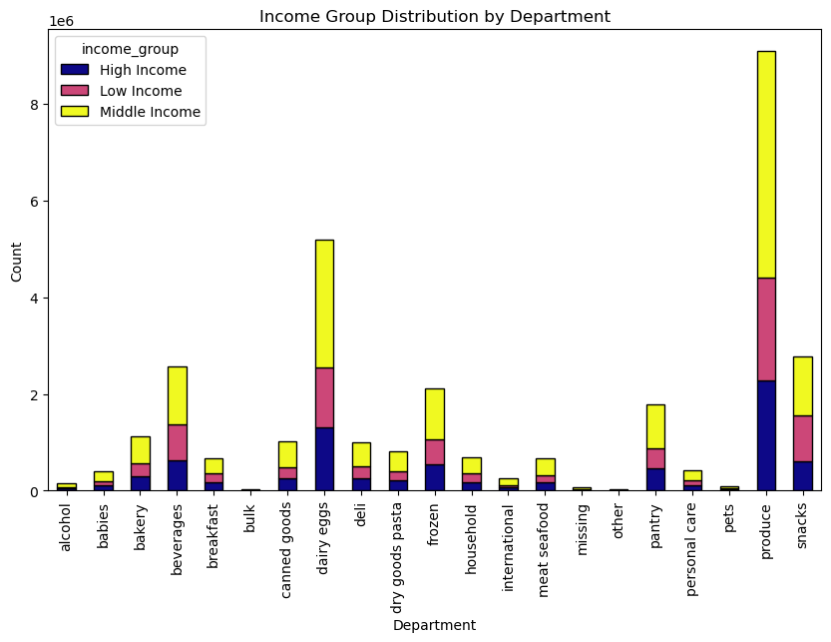

 | Regardless of the customer profile, the charts reveal that the departments with the most orders are produce and dairy eggs. The next most popular are snacks, beverages, frozen, and pantry. Least in demand are bulk, other, pets, and alcohol.

7. Recommendations
 |  | Title page

Recommendations

In this tab you should include any recommendations you would made to Instcart in terms of their marketing strategy based on the questions posed in the brief. Every key question has been covered in the Tasks of the Exercises - here you need to add an item - a visualisation or table/crosstable that is showing the answer in the data, acompanied by a comment from you. Please, list the questions below and add the answer underneath.

Question | Recommendation
1. The sales team needs to know what the busiest days of the week and hours of the day are (i.e., the days and times with the most orders) in order to schedule ads at times when there are fewer orders. | Seeing that instacart is looking to schedule ads at times where there are fewer orders, instacart should schedule ads during the weekdays anytime from 8pm to 8am, specifically on Tuesdays and Wednesdays.

2. They also want to know whether there are particular times of the day when people spend the most money, as this might inform the type of products they advertise at these times. | During the course of the day, spending peaks in the hours between 1 and 3am. Instacart should take advantage of this peak by perhaps offering more products for sale during these hours. The most popular products should also be advertised and pushed more during these hours. Strategies like sales, discounts and limited time offers can be employed to fully take advantage of peak hours.

3. Instacart has a lot of products with different price tags. Marketing and sales want to use simpler price range groupings to help direct their efforts | To maximize sales, the marketing and sales teams should prioritize the most popular product departments (Produce, Dairy eggs, Snacks, and Beverages). These departments show the highest frequency of orders, indicating strong customer preferences. To leverage this popularity, it is recommended to intensify marketing campaigns, feature top-selling products, and create bundle deals within these high-frequency departments. Additionally, focusing on seasonal promotions for Produce, special discounts for Dairy and Eggs, and diversifying the snacks and beverage offerings can further enhance customer engagement and drive increased sales. Regularly reviewing and optimizing inventory levels for these popular departments will ensure a seamless shopping experience and customer satisfaction.

4. Are there certain types of products that are more popular than others? The marketing and sales teams want to know which departments have the highest frequency of product orders. | To maximize sales, the marketing and sales teams should prioritize the most popular product departments (Produce, Dairy eggs, Snacks, and Beverages). These departments show the highest frequency of orders, indicating strong customer preferences. To leverage this popularity, it is recommended to intensify marketing campaigns, feature top-selling products, and create bundle deals within these high-frequency departments. Additionally, focusing on seasonal promotions for Produce, special discounts for Dairy and Eggs, and diversifying the snacks and beverage offerings can further enhance customer engagement and drive increased sales. Regularly reviewing and optimizing inventory levels for these popular departments will ensure a seamless shopping experience and customer satisfaction.

5. What’s the distribution among users in regards to their brand loyalty (i.e., how often do they return to Instacart)? | Fostering loyalty among existing customers is key. Implementing targeted campaigns for new customers to encourage initial purchases before then introducing them to loyalty benefits is recommended. For regular customers, reinforce their loyalty with exclusive offers and loyalty discounts. For loyal customers, continue prioritizing their experience with special incentives and early access to promotions.

6. Are there differences in ordering habits based on a customer’s loyalty status? | Tailor marketing and product offerings to regional preferences. Focus marketing efforts on the South, potentially introducing region-specific deals or products. Explore targeted strategies such as exclusive regional promotions or partnerships to boost engagement in the Northeast. Additionally, for products appealing to high spenders, ensure a consistent and attractive offering across all regions.

7. Are there differences in ordering habits based on a customer’s region? | Tailor marketing and product offerings to regional preferences. Focus marketing efforts on the South, potentially introducing region-specific deals or products. Explore targeted strategies such as exclusive regional promotions or partnerships to boost engagement in the Northeast. Additionally, for products appealing to high spenders, ensure a consistent and attractive offering across all regions.

8. Is there a connection between age and family status in terms of ordering habits? | Tailor ads and promotions to customers in the 30-49 and 60-81 age groups as they make up a majority of sales. Also offer a range of diverse incentives as the age groups are quite broad and as such would have varying preferences. Reward loyalty in customers by providing loyalty driven perks and promotions.

9. What different classifications does the demographic information suggest? Age? Income? Certain types of goods? Family status? | Customers aged 30 - 49 and 60 - 81 years old, who are married with children, generate the most income. Create targeted promotions and product bundles that cater to family needs, ensuring convenience and value. Offer a mix of affordable and premium products to accommodate varying budget preferences. Recognizing that most users are frequent customers, implement loyalty programs with personalized rewards to further incentivize repeat orders.

10. What differences can you find in ordering habits of different customer profiles? Consider the price of orders, the frequency of orders, the products customers are ordering, and anything else you can think of. | Considering there are no preferences regardless of customer profile, tailor promotions based on specific customer segments, introducing loyalty programs for high-frequency customers and diversifying offerings within popular departments like Snacks, Beverages and Produce. Implement dynamic pricing strategies, cross-promotions, and seasonal campaigns to keep customers engaged and attract attention. Additionally, assess and enhance low-demand departments, considering targeted promotions and adjustments.

